Account
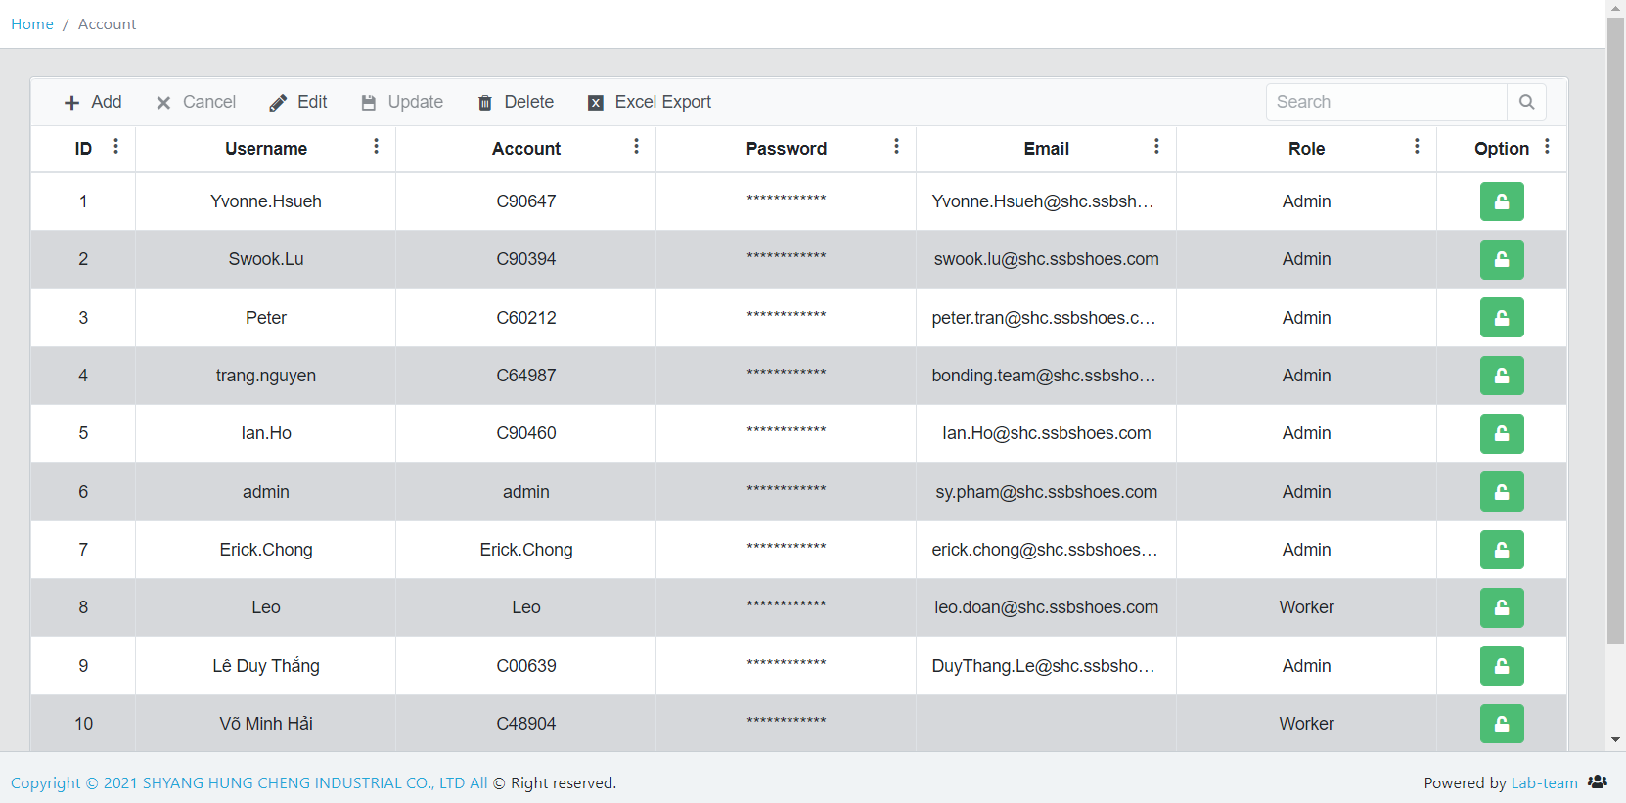
Only system admin (lab team) have the authority into Account page | System admin | all pages
Total 3 kinds of Role: System admin, manager, user | Manager | Staff info, Report 1, Report 2
 | User | Select kind, 1. Check in, 2. Check out, 3. Access Control

Staff info
QR Code content:
Factory: SHC
SỐ THẺ: 90123
Import excel
Print out QR code
Factory | HỌ TÊN | SỐ THẺ | SEA informed
SHC | TRAN PHUONG THANH | 60212
SHC | PHAM TIEN SY | 63125
SHC | BAN HUU QUYNH | 65105

It means which persons I'd like to print out the QR Code
Switch, let SEA turn on/off

Select kind
 |  | Select Rapid-Test kind in this page
Rapid-Test kind
 |  | Now it's Rapid-test, person scan in 2. Check out page, the kind is Rapid-test

Add new
 | Rapid-test
 | PCR

1. Check in
①

Check in | Step 1 | Scan QR Code

 | After scan successfully, pop up this window.
HỌ TÊN：TRAN PHUONG THANH
SỐ THẺ ：60212
Arrive & Recorded successfully

 | Maybe someone take wrong QR Code to scan (the information doesn't match to we need), after scan pop up this window.
Not found this person. No entry.
Please establish data in Staff info page !

 | Staff info page exist this person but column SEA informed is off. After scan pop up this window.
No entry.
Please wait for SEA inform !

2. Check out
②

 | Step 1 | Scan QR Code
Check out

 | After scan successfully, pop up this window. In Main info page, this person's Entre factory exp. Date is Scan date plus 3 days

HỌ TÊN：TRAN PHUONG THANH
SỐ THẺ ：60212
Result is Negative. Record successfully !

3. Access Control
③

 | Step 1 | Scan QR Code
Access Control

 | After scanning

 | System check whether the Entering Factory exp. date is valid or not, if it's valid, then pop up this window.

HỌ TÊN：TRAN PHUONG THANH
SỐ THẺ ：60212
Result is Negative. Record successfully !

 | If the Entering Factory exp. date is invalid or N/A, then pop up this window.
There's no data. Can not enter the factory.
Please do rapid-test.

Report 1
filter Rapid-Test date

Export excel
Rapid-test record
Type SỐ THẺ, for search person
Full Name | SỐ THẺ | Test kind | Rapid-Test result | Rapid-Test date | Enter factory exp. date
TRAN PHUONG THANH | 60212 | Rapid test | Negative | 2021-09-21 | 2021-09-24

Data from Staff info
Enter factory exp. date = Rapid-Test date puls 3 days
Data from 2. Check out.
After acanning, Rapid-Test result will be Negative, Rapid-Test date is Scan date

Report 2
filter Entering factory date

Export excel
Enter into factory Scan Record
Type SỐ THẺ, for search person
Full Name | SỐ THẺ | Test kind | Rapid-Test result | Rapid-Test date | Enter factory exp. date | Entering factory date
TRAN PHUONG THANH | 60212 | Rapid test | Negative | 2021-09-21 | 2021-09-24 | 2021/9/24，09:30 AM

Data from Staff info
Enter factory exp. date = Rapid-Test date puls 3 days
Data from 3. Access Control, only record Green window scan date.
Data from 2. Check out.
After acanning, Rapid-Test result will be Negative, Rapid-Test date is Scan date

Flow chart
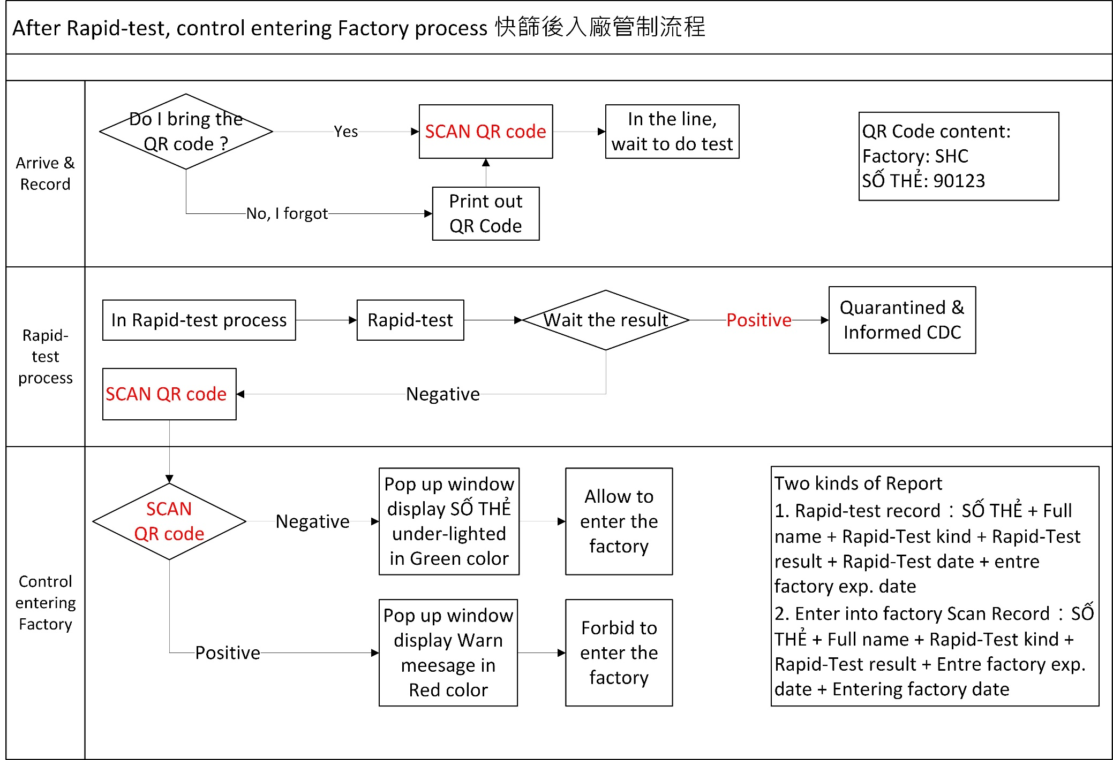

①

②

③

